COMPANY NAME AND ABOUT
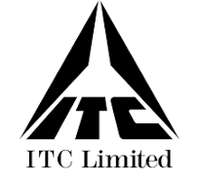
ITC Ltd. | BSE: 500875 | NSE: ITC

ITC is one of India's foremost private sector companies and a diversified conglomerate with businesses
Agri Business and Information Technology. The Company is acknowledged as one of
India's most valuable business corporations with a Gross Revenue of ₹ 69,446 crores admired company, according to a survey conducted
and Net Profit of ₹ 20,422 crores (as on 31.03.2024). ITC was ranked as India's most
spanning Fast Moving Consumer Goods, Hotels, Paperboards and Packaging,
by Fortune India, in association with Hay Group.

